Single Algos
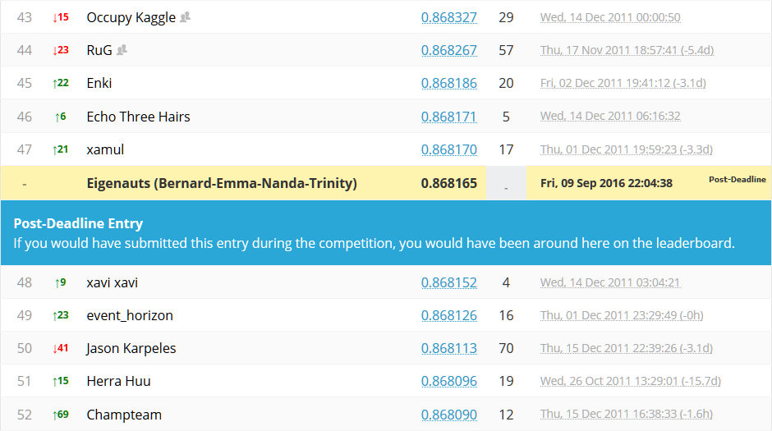
KAGGLE CHALLENGE - PREDICTING CONSUMER DEBT DEFAULT

Tester | Algorithm | Optimization | # Features | Threshold | Imputer | Standardized | PCA | Xval Folds | Local AUC | Kaggle AUC | Position | Notes

SINGLE MODEL

ENSEMBLE MODEL

Nanda | GBM | Manual | 10 | 85% | none | False | False | 3 |  | 0.7702 |  | n_estimators 100, max_depth 7, min_samples_split=200, min_samples_leaf=200, max_features 10
Nanda | GBM | Manual | 10 | 85% | none | False | False | 5 |  | 0.77030 |  | n_estimators 100, max_depth 7, min_samples_split=200, min_samples_leaf=200, max_features 10
Nanda | GBM | Manual | 10 | 75% | none | False | False | 5 |  | 0.78710 |  | n_estimators 100, max_depth 7, min_samples_split=200, min_samples_leaf=200, max_features 10
Nanda | GBM | Manual | 10 | 75% | none | False | True | 5 |  | 0.78220 |  | n_estimators 100, max_depth 9, min_samples_split=200, min_samples_leaf=200, max_features 10
Nanda | XGBoost | Manual | 10 | 75% | none | False | False | 5 |  | 0.78490 |  | logitraw, eta 0.08, max_depth 7, subsample 0.8
Nanda | XGBoost | Manual | 10 | 72% | none | False | False | 5 |  | 0.78290 |  | param settings same as above, changed threshold only
Nanda | XGBoost | Manual | 10 | 82% | none | False | False | 5 |  | 0.77720 |  | param settings same as above, changed threshold only
Nanda | XGBoost | Manual | 10 | 75% | none | False | False | 5 |  | 0.78220 |  | logitraw, eta 0.08, max_depth 9, subsample 0.8
Nanda | XGBoost | Manual | 10 | 75% | none | False | False | 5 |  | 0.78550 |  | logistic, eta 0.08, rounds 500, max_depth 2
Nanda | XGBoost | Manual | 10 | 75% | none | False | False | 5 |  | 0.77477 |  | logistic, eta 0.4, max_depth 2, subsample 0.8 rounds = 2000

STACKING MODEL
Nanda | GBM, XGBoost | Manual | 10 | 75% | none | False | False | 5 |  | 0.78476 |  | XGB logitraw eta 0.08 max_depth 7 subsample 0.8 / GBM maxdep 9 maxfea 10
Nanda | GBM, Adaboost, XGBoost | Manual | 10 | 75% | none | False | False | 5 |  | 0.78650 |  | XGB logitraw eta 0.05 max_depth 7 subsample 0.8
Nanda | GBM, RF, Adaboost, XGBoost | Manual | 10 | 75% | none | False | False | 5 |  | 0.78610 |  | Added Random Forest to the Stacking
Nanda | GBM, RF, Adaboost, XGBoost | Manual | 10 | 75% | none | False | False | 5 |  | 0.78620 |  | Adaboost Learning rate set to 0.1 (instead of 1), eta = 0.05
Nanda | GBM, RF, Adaboost, XGBoost | Manual | 10 | 75% | none | False | False | 5 |  | 0.78200 |  | Adaboost learning rate 0.1 (instead of 1) / XGB logistic eta = 0.05
Nanda | GBM, XGBoost | Manual | 10 | 75% | none | False | False | 5 |  | 0.78740 |  | XGB logistic eta = 0.05
Nanda | GBM, XGBoost | Manual | 10 | 50% | none | False | False | 5 | 0.86590 | 0.86817 | #48 - Top 5% | XGB logistic eta 0.05 maxdepth 5 / GBM depth 7 maxfea 10 maxdepth 7

 | Wining Snapshot

